Reorder Point
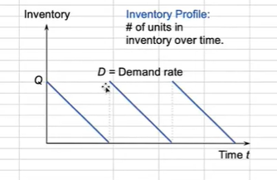
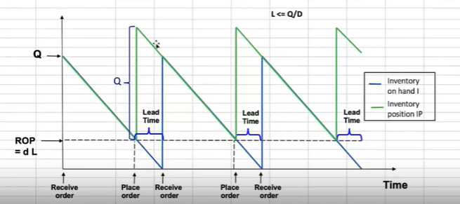

D | 10000 | Annual Demand
H | 5 | Holding Cost (per item per year)
S | 10 | Order Cost (per order)

L | 2 | Lead time (weeks)

Q | 200

ROP | 383.58266206
Q/D | 1.0428 | Time between order (year, week, day)

d | 191.79133103 | Demand over lead time

ROP + ss
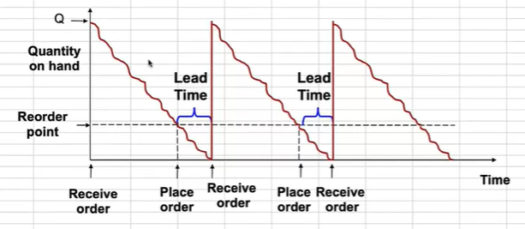
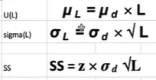

 |  |  | Date | Quantity
 |  |  | 2024-06-10 | 5
 |  |  | 2024-06-11 | 10
 |  |  | 2024-06-12 | 5

 |  |  | u(d) | 6.6666666667
 |  |  | sigma | 2.8867513459

D | 10000 | Annual Demand
H | 5 | Holding Cost (per item per year)
S | 10 | Order Cost (per order)

L | 2 | Lead time (weeks)

Q | 200

u | 10 | mean of daily demand
sigma | 1.5 | standard deviation of daily demand

U(L) | 140 | mean demand over lead time
sigma (L) | 5.6124860802 | standard deviation of demand over lead time

service level | 95%
z | 164%
SS | 9.2317180852 | Safety stock

ROP (not include ss) | 383.58266206

Actual ROP | 392.81438015

Safety Stock and Customer SL
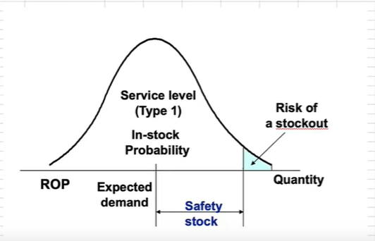
D | 10000 | Annual Demand
H | 5 | Holding Cost (per item per year)
S | 10 | Order Cost (per order)

L | 2 | Lead time (weeks)

Q | 200

u | 10 | mean of daily demand
sigma | 1.5 | standard deviation of daily demand

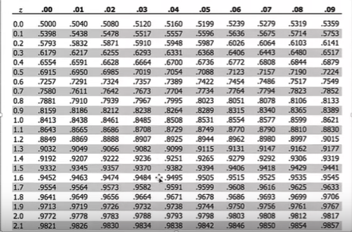
U(L) | 140 | mean demand over lead time
sigma (L) | 5.6124860802 | standard deviation of demand over lead time

service level | 95% | 96% | 97% | 98% | 99%
z | 1.64 | 1.75 | 1.88 | 2.05 | 2.33
SS | 9.2317180852 | 9.8257012056 | 10.555927945 | 11.526637173 | 13.056595061

ROP (not include ss) | 383.58266206

Actual ROP | 392.81438015

